Sheet1
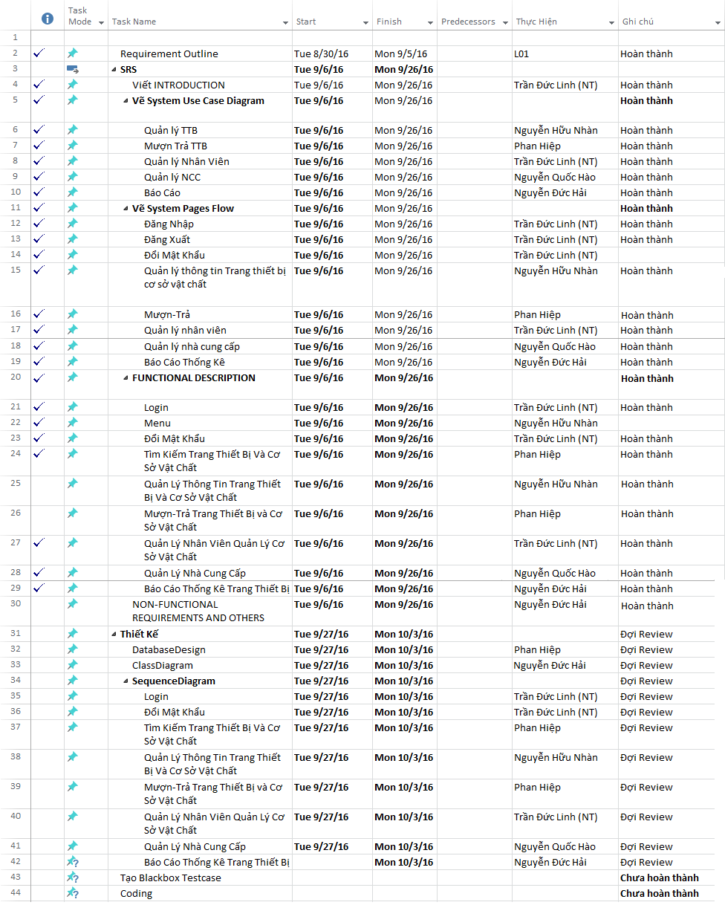
KH_HUE_L01_TaskManagement_v2.0

